Problem 2
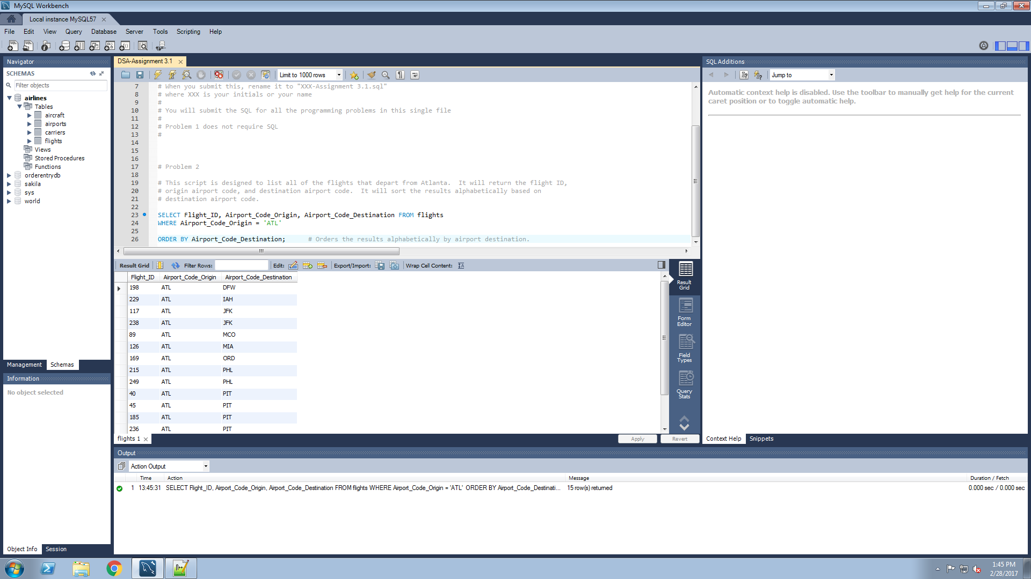
Create SQL code to list all the flights that depart from Atlanta (regardless of whether departure is in the past or in the future). Include the flight ID number, the origin airport code, and the destination airport code. Alphabetize by destination airport code.

Put your SQL in the "Problem 2" location in the SQL template.

Paste a screen shot of successful execution below.

Problem 3
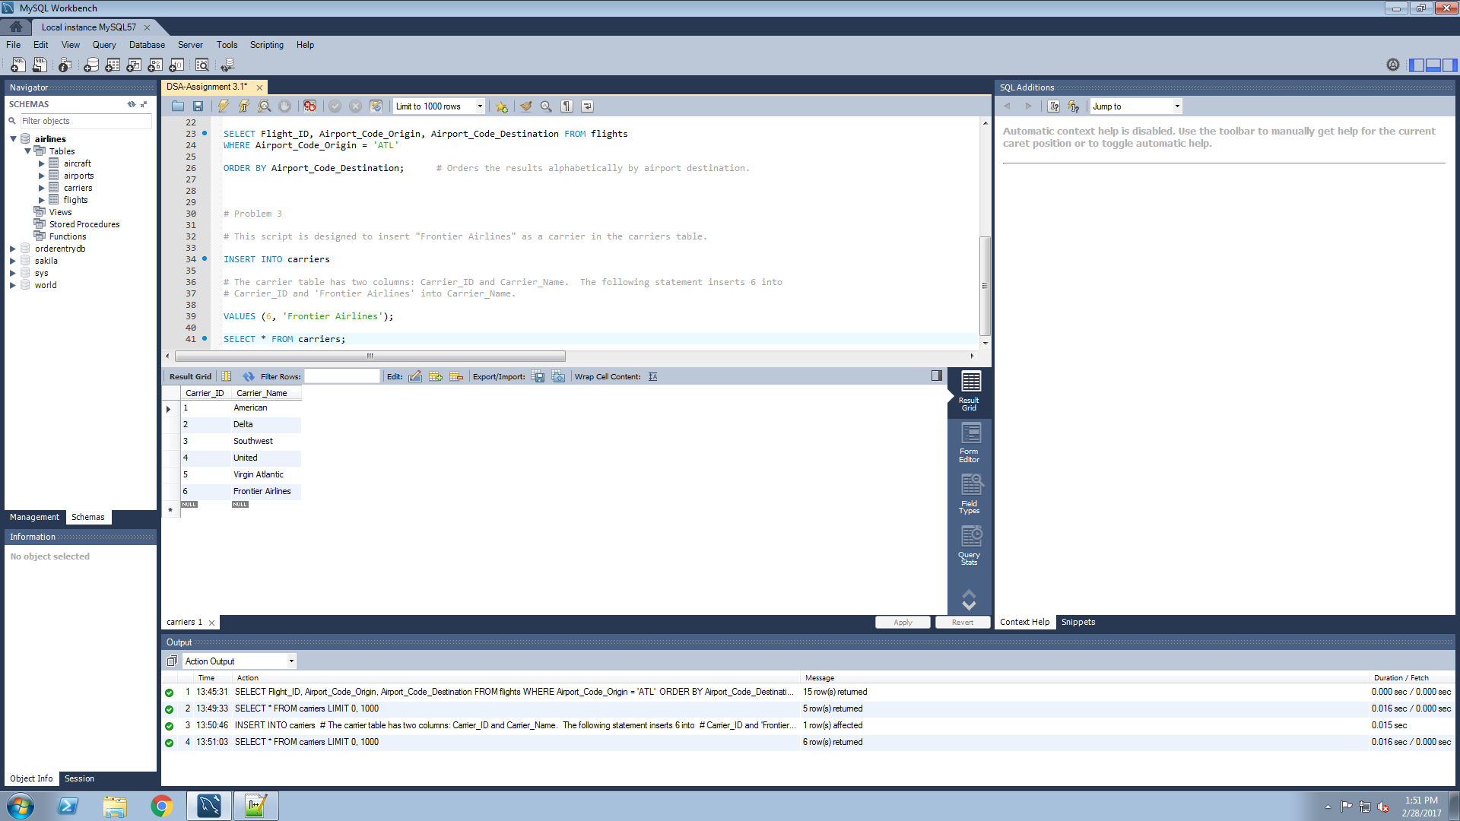
Add “Frontier Airlines” to the list of carriers as the sixth carrier.

Put your SQL in the appropriate location in the SQL template.

Paste your screen shot(s) showing your results below.

Your screen shots need to show a “before” and an “after” to convince me you actually added Frontier Airlines here.
Leave the Frontier Airlines in your database for all subsequent problems.

Before:
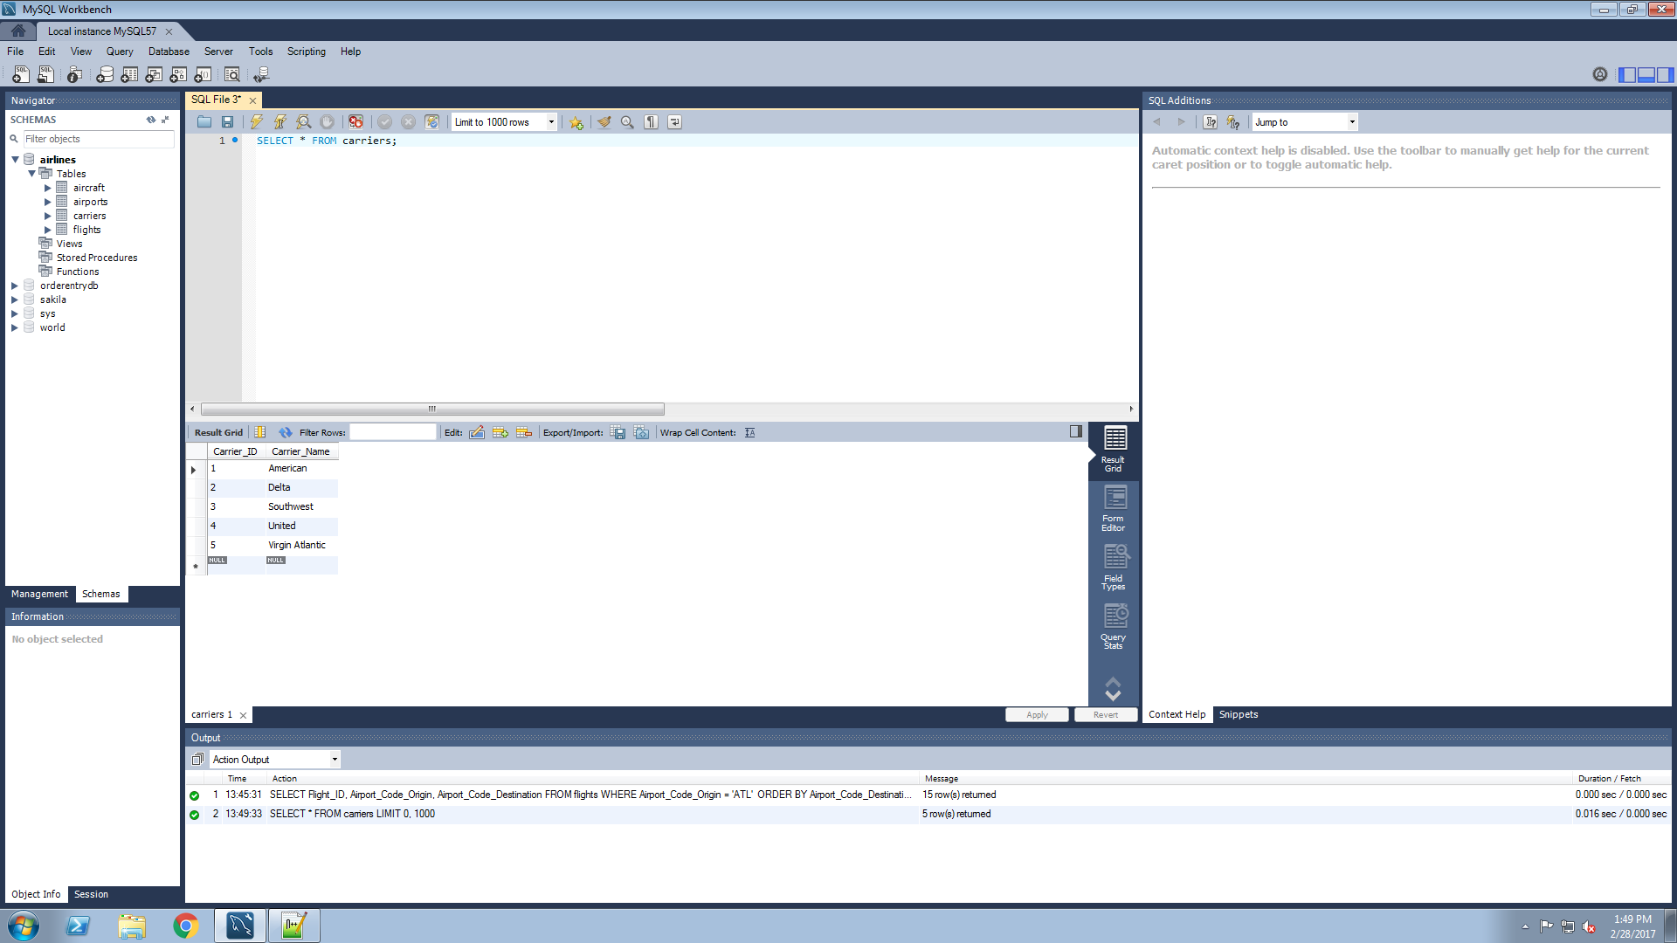

After:

Problem 4
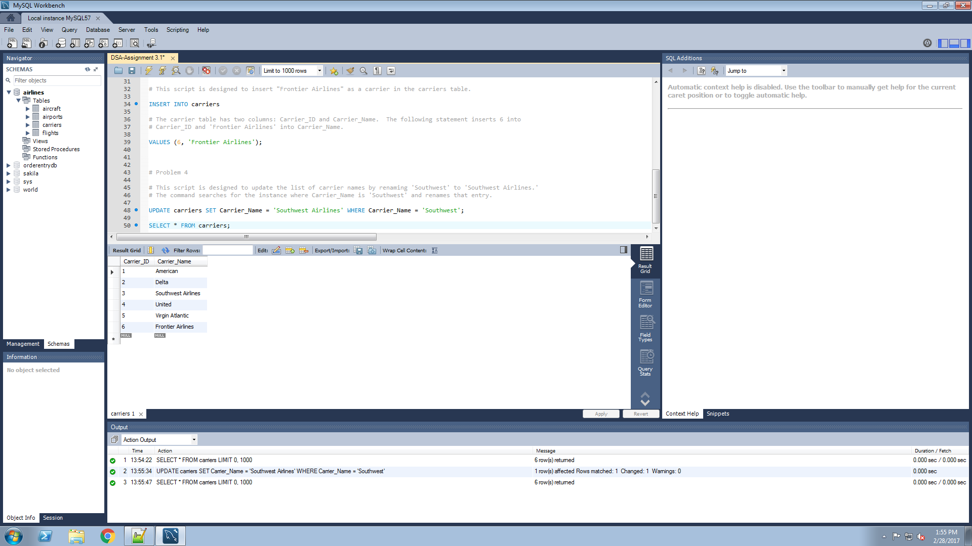
Change “Southwest” to be “Southwest Airlines”.

Put your SQL in the appropriate location in the SQL template.

Paste your screen shot(s) showing your results below.

Your screen shots need to show a “before” and an “after” to convince me you actually changed the name successfully.
Leave the Southwest Airlines name change in your database for all subsequent problems.

Before:
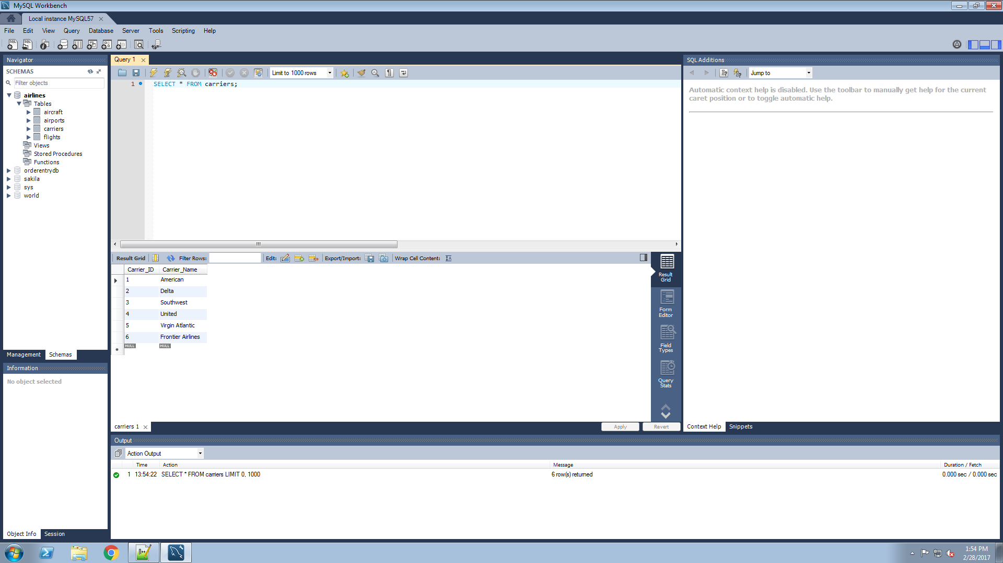

After:

Problem 5
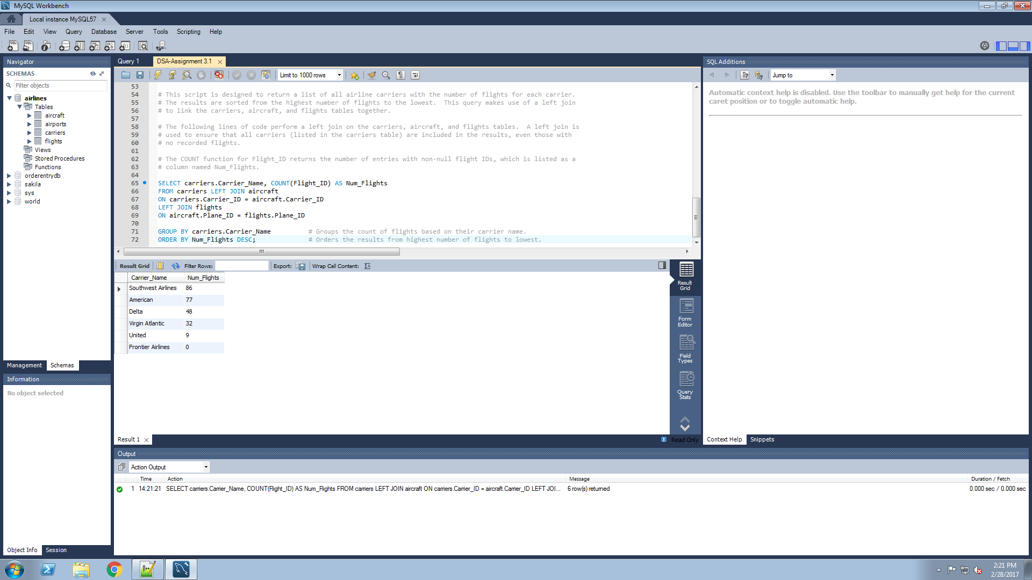
List each airline carrier with a count of the number of flights. If the airline hasn’t flown any flights, show a 0 for its count. Sort the results so the highest number of flights is on the top. Make sure you show all the carriers on here.

Put your SQL in the appropriate location in the SQL template.

Paste your screen shot(s) showing your results below.

A successful result could have the following format (obviously, your data will reflect that in the airlines database.):

Carrier Name | Number of Flights
Flappy Bird Airlines | 76
Moon Shot Rockets | 25
Zappo’s Crop Dusting | 0

Problem 6
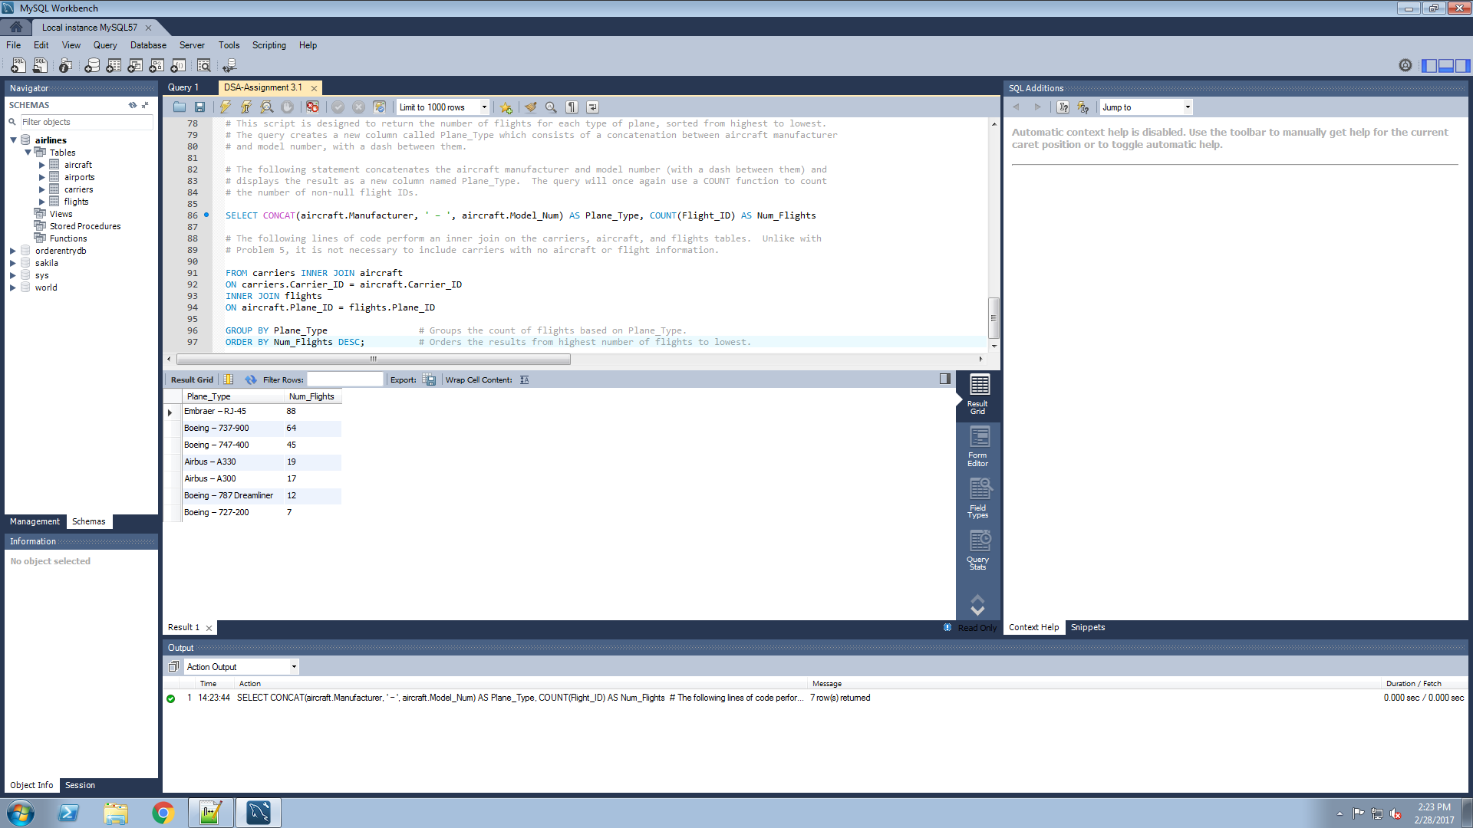
Count the number of flights flown by each plane type (manufacturer and model together in a single column); sort your results from most to fewest.

Put your SQL in the appropriate location in the SQL template.

Include in your results a new field (ours below is called “Plane Type;” you may name yours whatever you wish.) The new field concatenates the aircraft manufacturer and the aircraft model number into a single field with a dash between them. For example, if the manufacturer is “Boeing,” and the model number is “787 Dreamliner,” the new field would be “Boeing – 787 Dreamliner” .

If a particular plane type has 0 flights, you may or may not display it, as you like.

Paste your screen shot(s) showing your results below.

A successful result could have the following format (obviously, your data will reflect that in the airlines database.):

Plane Type | Number of Flights
Boring – Rocketship-123 | 99
AirScooter – Putt Putt XJ 314 | 25
Wright Bros – Canvas Delite 987 | 3

Problem 7
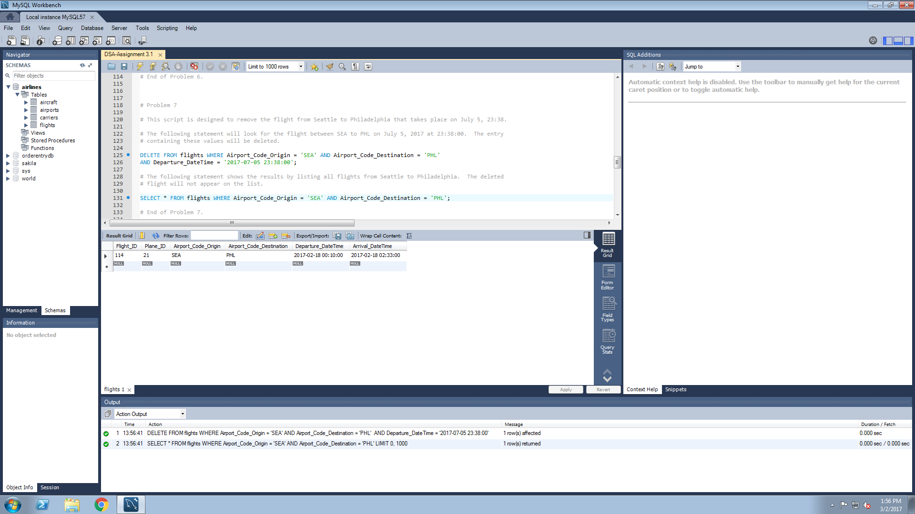
The flight from Seattle to Philadelphia on July 5th at 23:38 has been cancelled. Remove it.

Put your SQL in the appropriate location in the SQL template.

Paste your screen shot(s) showing your results below.

You will need to include “before” and “after” screen shots to convince me you actually removed the flight.

Leave this flight removed for the rest of the assignment.

Before:
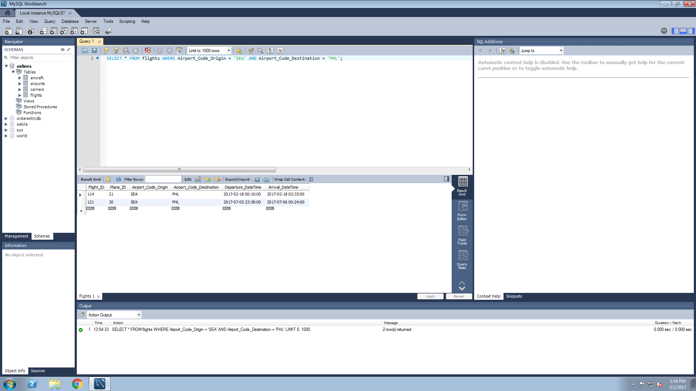

After:

Problem 8
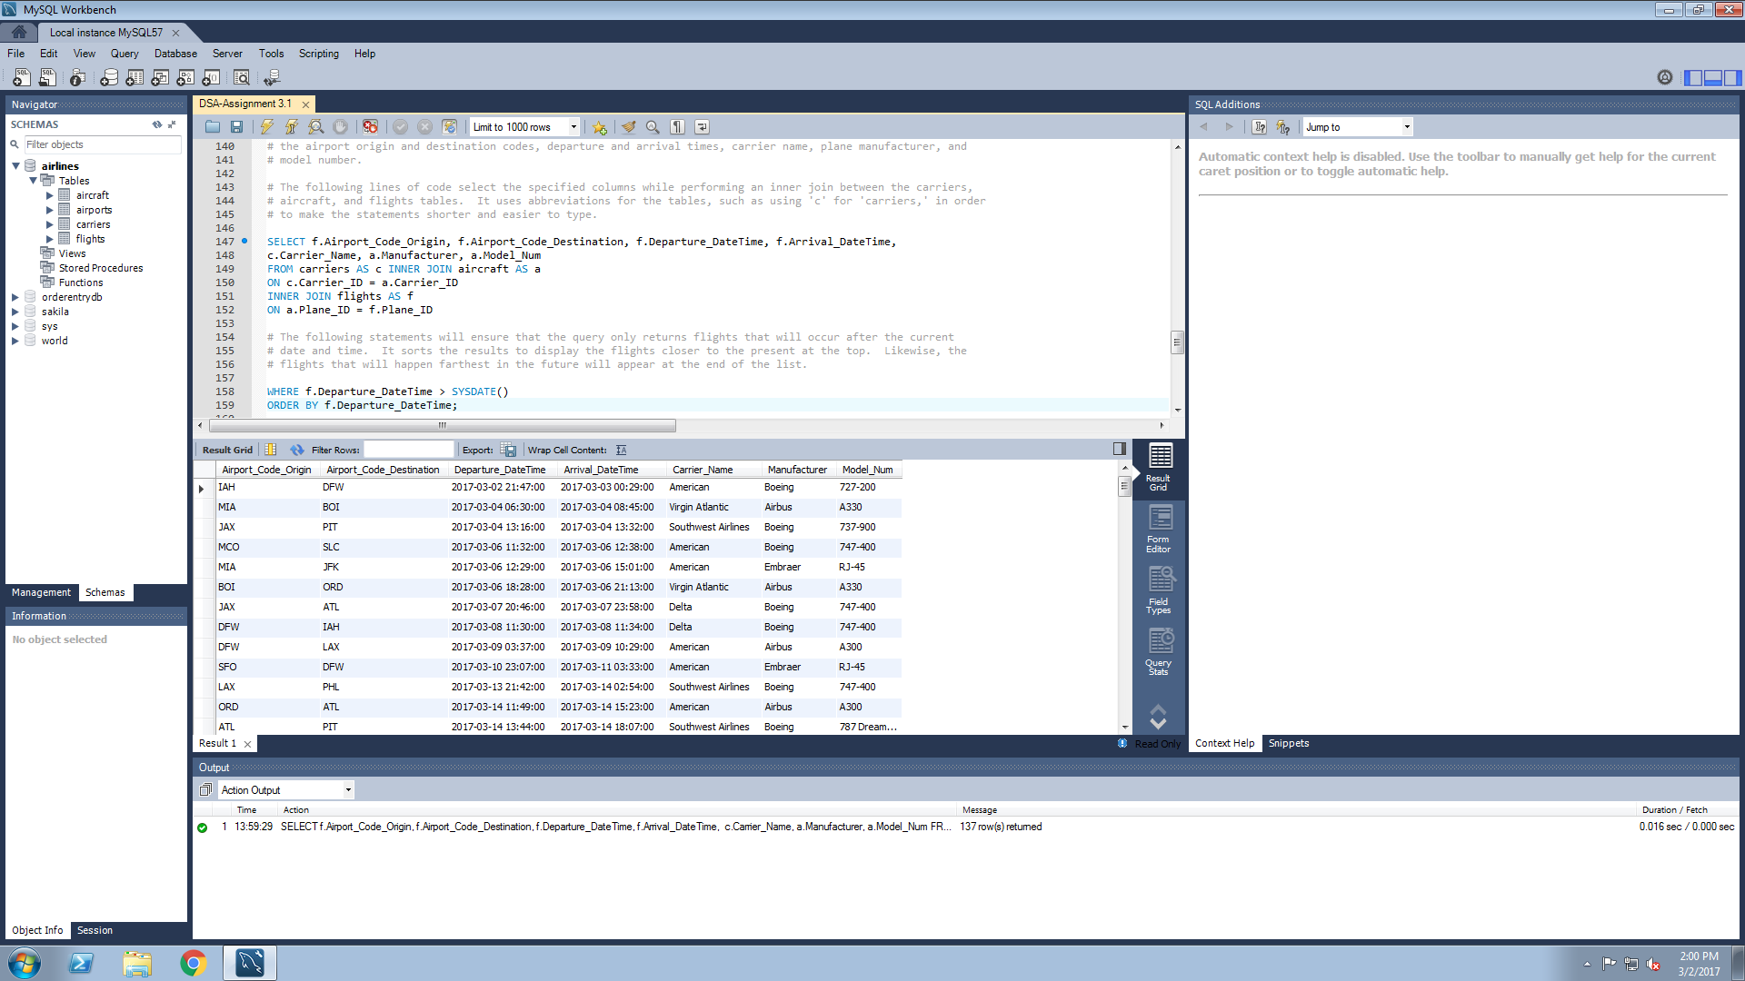
List the airport code of origin and airport code of destination, the departure and arrival time, the airline name, and plane manufacturer and model for all flights that will occur in the future. (The manufacturer and model may be in two separate fields; they do not need to be concatenated.)

Put your SQL in the appropriate location in the SQL template.

This query should be written so that whenever it is run, it will *always* return only those flights which will occur in the future. Sort your results so that the flights that will occur soonest in the future will be at the top, and the flights furthest out in the future will be at the bottom.

Paste your SQL and your screen shot showing your results below. Your SQL should contain suitable comments. You should also include some documentation on your screen shot of when you ran the assignment, so we can see when the computer thought “today” was.

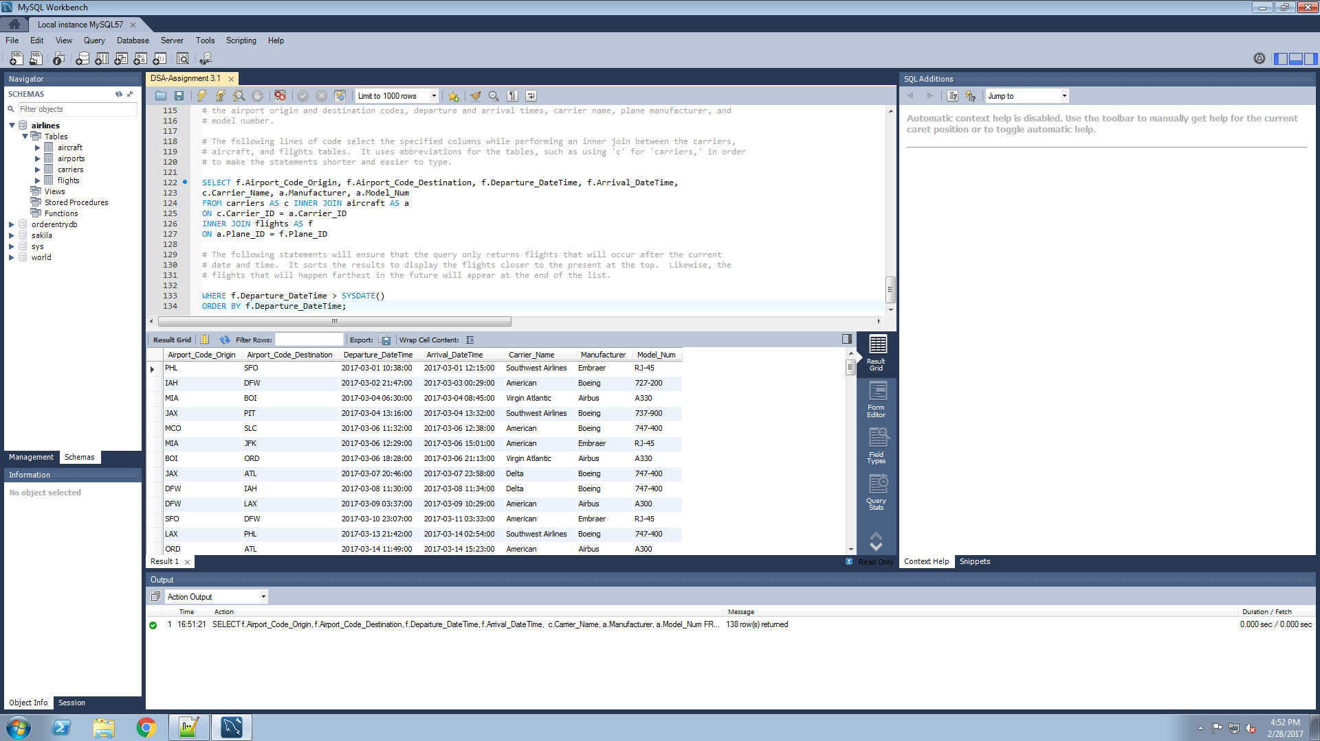

The same script was run two days later. One of the flights no longer appears on the list because it now occurred in the past.

Problem 9
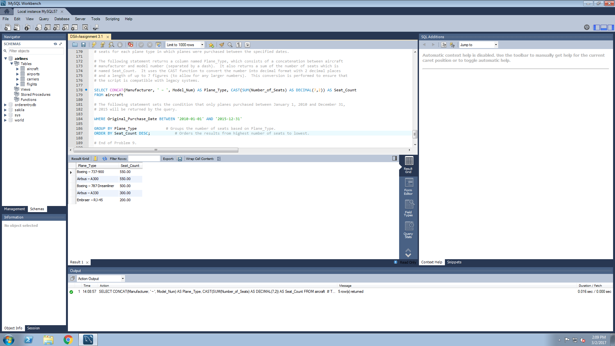
Your boss tells you that you will need to replace the seat coverings on all seats on all aircraft (from all carriers) which were purchased between Jan 1, 2010 and Dec 31, 2015. The fabric initially used in the manufacture of those seat coverings has issues with its fire retardant properties. Provide an SQL query which lists the Plane Type, and the total number of seats for all of the aircraft which meet the criteria. Using the results of your query, how many seat coverings will you need to order? (You can answer this question by manually adding up your SQL results; for example, the query below would imply you needed to order 50 + 30 + 2 = 82 seat covers.)

A successful query will:
Concatenate your aircraft model number and manufacturer to one column
Present the total number of seats in decimal format, to two decimal places (for compatability with legacy systems).
List the aircraft with highest seat count first.

A successful result could have the following format (obviously, your data will reflect that in the airlines database.):

Plane Type | Number of seats
Boring – Rocketship-123 | 50.00
AirScooter – Putt Putt XJ 314 | 30.00
Wright Bros – Canvas Delite 987 | 2.00

Based on the results from this query, the organization will need to order 2100 seat covers.

Problem 10
This airlines database contains several entities and several relationships between them.

1. Your boss wants to investigate moving to a simpler, more streamlined way of doing business. He has asked you to fill out the following flat file,
with an alternate arrangement of the flight data. Use your airlines database and populate it with the first five flights in the airlines database.
You can use any criteria you like to define "first." If you have questions about some of the fields, make sure include those in your memo. In the meanwhile, assume what you need to assume to generate the fields.

Put your answers directly in the light blue area below.
 | Flight_ID | Airport_Code_Origin | Airport_Code_Destination | Departure_DateTime | Arrival_DateTime | Airport_Code | Airport_Location | Year_Opened | Num_of_Terminals | Manufacturer | Model_Num | Original_Purchase_Date | Last_Service | Number_of_Seats | Carrier_Name
 | 1 | ORD | PIT | '2017-01-20 20:39:00' | '2017-01-21 00:46:00' | ORD | Chicago, IL | 1942 | 8 | Boeing | 737-900 | '2013-02-14' | '2015-12-16' | 550 | Delta
 | 2 | IAH | PIT | '2017-12-21 17:32:00' | '2017-12-21 19:35:00' | IAH | Houston, TX | 1957 | 10 | Boeing | 737-900 | '2013-02-14' | '2015-12-16' | 550 | Delta
 | 3 | MIA | JFK | '2017-02-20 23:26:00' | '2017-02-21 04:04:00' | MIA | Miami, FL | 1945 | 9 | Boeing | 737-900 | '2009-12-02' | '2016-01-26' | 500 | Southwest Airlines
 | 4 | MCO | BOI | '2017-12-25 01:26:00' | '2017-12-25 06:16:00' | MCO | Orlando, FL | 1942 | 4 | Boeing | 787 Dreamliner | '2014-10-10' | '2015-12-17' | 500 | Southwest Airlines
 | 5 | PIT | JFK | '2017-12-17 21:20:00' | '2017-12-18 03:01:00' | PIT | Pittsburgh, PA | 1946 | 4 | Airbus | A330 | '2001-12-02' | '2015-12-16' | 400 | Virgin Atlantic

2. You have some concerns about moving your entire airline operations out of SQL to this flat file format. Write your boss a memo, outlining any concerns or hesitations
you have about moving to this format for management of your data. Include the pros and cons of the relational database format and the flat file format.
Be sure to think critically, and include any problematic use case scenarios.

Put the text of your memo in the text box below. You are welcome to expand the text box or append another text box if you need more space.

I would like to express my thoughts on moving our data to this flat file format, for I have concerns over whether this method will improve our organization’s data management. First and foremost, I respect the decision and acknowledge the benefits of switching to this format. Flat file databases are easier to understand and require less skill to use when compared to the complexity of relational databases (Vines, 2011a). It also requires little effort to search for records using a flat file database because all information for that record is listed on the same row (Tuffill, 2015). For our current method of using relational databases, it can be difficult to search for information because it often requires joining two or more tables together. Yet though these benefits may appear useful for our organization, there are also several shortcomings to using this format. According to Doyle (2000), one of the issues with flat file databases is that you cannot add a new record into the database without entering its associated information for every single column. He states that this method results in records that repeatedly have the same values, thus leading to redundant data and wasted storage space. Furthermore, Doyle argues that the use of relational databases helps to resolve these issues and reduces both the amount of data entered and the storage space needed. Since our organization keeps track of hundreds or even thousands of flights, it is crucial that we utilize databases that require minimal storage space.
In addition to these points, there are several specific cases where this flat-file format can prove problematic for our organization. Vines (2011b) describes several different use cases regarding data entry and modification in a flat file database. One of these cases involves the insertion of data. Using our database as an example, it is impossible to add a new carrier name into our flat file without first adding a flight that involves a plane owned by that carrier. In addition, the author also claims that there are issues with removing and editing data. If you were to remove an airport from our flat file, you would also have to remove all entries involving that airport. Likewise, if you rename one of the carriers, you would have to rename that carrier for every single record in the database. This leads to another issue that the author describes—the possibility of inconsistent data. Vines (2011b) states that when a value is modified in a flat file database, that value does not change for all records and therefore it is possible for similar entries to have values inconsistent with one another. Finally, the author brings up the issue of redundant information within a flat file database. Every single time an airport code appears in our database, that airport’s location, opening year, and number of terminals will also show up—even if that information is not needed at the time. In fact, our flat file also has redundant columns, since the values of the airport codes and airport origin codes are the same. This information becomes unnecessary and it wastes space within our database.
If our organization keeps its current relational database, then the issues stated above will be prevented because it will allow certain records to only appear once within the database. This helps to eliminate redundant or inconsistent information and it allows entries to be removed without the loss of data (Vines, 2011b). Therefore, I would strongly suggest that our organization preserves its current method for storing airline information. Though switching to a flat file format may seem easier at first, in the long run it is likely to make our operations more difficult and prone to error.
References
Doyle, S. (2000). Understanding information technology. Retrieved March 3, 2017, from https://books.google.com
Tuffill, S. (2015, March 31). Advantages & Disadvantages of Flat File Databases. Retrieved March 03, 2017, from https://www.techwalla.com/articles/advantages- disadvantages-of-flat-file-databases
Vines, R. (2011a, September 27). Databases from scratch II: Simple Database Design. Retrieved March 1, 2017, from http://www.geekgirls.com/2011/09/databases- from-scratch-ii-simple-database-design/
Vines, R. (2011b, September 27). Databases from scratch III: The Design Process. Retrieved March 1, 2017, from http://www.geekgirls.com/2011/09/databases-from- scratch-iii-relational-design-process/

